Title
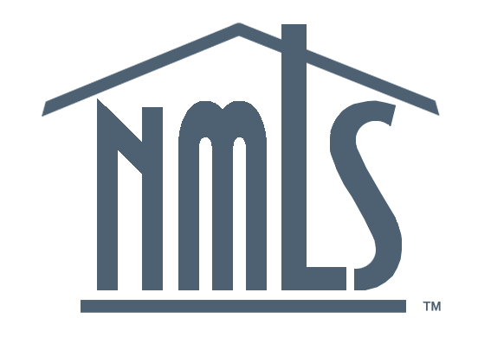
NMLS Mortgage Industry Report
2020Q4 Update

Produced May 3, 2021
Conference of State Bank Supervisors
1129 20th Street, NW, 9th Floor
Washington, D.C. 20036-4307

Unless otherwise noted, all figures cover 2020Q4 activity, or statuses as of December 31, 2020.

MCR Originations
5. Mortgage Call Report: Loan Originations

 | Filing Quarter | Home Purchase | Refinancing | Home Improvement
2016 | 0 | 97161975641 | 98655367987 | 3206360454
2016 | 0 | 152048606800 | 118811037286 | 4855337842
2016 | 0 | 151988519149 | 157179533419 | 5769539506
2016 | 0 | 133187588388 | 151934080835 | 6064483118
2017 | 0 | 113829634250 | 81359069638 | 4651062407
2017 | 0 | 170444454197 | 74433630979 | 4887766339
2017 | 0 | 169392462027 | 85416781862 | 5370310177
2017 | 0 | 148104038533 | 94622483848 | 6168449784
2018 | 0 | 123918265027 | 74690371787 | 5301523310
2018 | 0 | 183305206616 | 59053391038 | 4783614107
2018 | 0 | 173035680065 | 56269972282 | 4971421243
2018 | 0 | 146582947480 | 54748609396 | 8157899656
2019 | 0 | 124167950342 | 63182176214 | 3940300862
2019 | 0 | 194161036181 | 104670880193 | 5527737921
2019 | 0 | 194625707210 | 189421081625 | 8447465305
2019 | 0 | 171541593571 | 216890221693 | 8411918780
2020 | 0 | 150906987883 | 248552294892 | 7758954039
2020 | 0 | 185832077240 | 396474761001 | 12052039292
2020 | 0 | 270899897427 | 473315248161 | 12864893684
2020 | 0 | 256687245207 | 540299396671 | 16636542939
Year | Quarter | Home Purchase | Refinancing | Home Improvement
2016 | Q1 | $97,161,975,641 | $98,655,367,987 | $3,206,360,454
2016 | Q2 | $152,048,606,800 | $118,811,037,286 | $4,855,337,842
2016 | Q3 | $151,988,519,149 | $157,179,533,419 | $5,769,539,506
2016 | Q4 | $133,187,588,388 | $151,934,080,835 | $6,064,483,118
2017 | Q1 | $113,829,634,250 | $81,359,069,638 | $4,651,062,407
2017 | Q2 | $170,444,454,197 | $74,433,630,979 | $4,887,766,339
2017 | Q3 | $169,392,462,027 | $85,416,781,862 | $5,370,310,177
2017 | Q4 | $148,104,038,533 | $94,622,483,848 | $6,168,449,784
2018 | Q1 | $123,918,265,027 | $74,690,371,787 | $5,301,523,310
2018 | Q2 | $183,305,206,616 | $59,053,391,038 | $4,783,614,107
2018 | Q3 | $173,035,680,065 | $56,269,972,282 | $4,971,421,243
2018 | Q4 | $146,582,947,480 | $54,748,609,396 | $8,157,899,656
2019 | Q1 | $124,167,950,342 | $63,182,176,214 | $3,940,300,862
2019 | Q2 | $194,161,036,181 | $104,670,880,193 | $5,527,737,921
2019 | Q3 | $194,625,707,210 | $189,421,081,625 | $8,447,465,305
2019 | Q4 | $171,541,593,571 | $216,890,221,693 | $8,411,918,780
2020 | Q1 | $150,906,987,883 | $248,552,294,892 | $7,758,954,039
2020 | Q2 | $185,832,077,240 | $396,474,761,001 | $12,052,039,292
2020 | Q3 | $270,899,897,427 | $473,315,248,161 | $12,864,893,684
2020 | Q4 | $256,687,245,207 | $540,299,396,671 | $16,636,542,939

MCR MLOs
6. Mortgage Call Report: Loan Originators

Number of Active MLOs for State-Licensed Companies
Active MLOs (originated at least 1 loan in the quarter)
Year | Quarter | Active MLOs
2016 | Q1 | 76,959
2016 | Q2 | 81,606
2016 | Q3 | 84,484
2016 | Q4 | 85,755
2017 | Q1 | 82,276
2017 | Q2 | 86,190
2017 | Q3 | 87,405
2017 | Q4 | 88,205
2018 | Q1 | 86,269
2018 | Q2 | 88,855
2018 | Q3 | 88,147
2018 | Q4 | 85,647
2019 | Q1 | 82,551
2019 | Q2 | 88,822
2019 | Q3 | 92,224
2019 | Q4 | 94,044
2020 | Q1 | 94,196
2020 | Q2 | 99,123
2020 | Q3 | 105,394
2020 | Q4 | 109,301

