Title
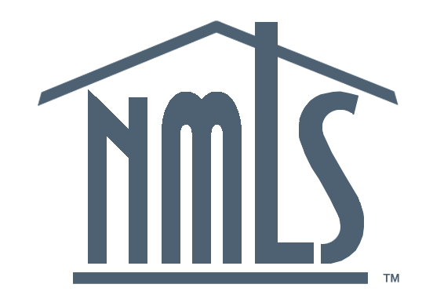
NMLS Mortgage Industry Report
2020Q3 Update

Produced December 7, 2020
Conference of State Bank Supervisors
1129 20th Street, NW, 9th Floor
Washington, D.C. 20036-4307

Unless otherwise noted, all figures cover 2020Q3 activity, or statuses as of Sepember 30, 2020.

MCR Originations
5. Mortgage Call Report: Loan Originations

Loan Originations by Purpose
Loan Originations by Purpose
Year | Quarter | Home Purchase | Refinancing | Home Improvement
2015 | Q1 | $82,786,600,013 | $125,666,195,373 | $2,663,338,111
2015 | Q2 | $131,719,310,021 | $115,340,051,205 | $3,404,516,283
2015 | Q3 | $135,918,825,644 | $87,052,696,477 | $2,919,999,705
2015 | Q4 | $110,737,893,992 | $88,046,918,786 | $3,008,890,589
2016 | Q1 | $97,161,975,641 | $98,655,367,987 | $3,206,360,454
2016 | Q2 | $152,048,606,800 | $118,811,037,286 | $4,855,337,842
2016 | Q3 | $151,988,519,149 | $157,179,533,419 | $5,769,539,506
2016 | Q4 | $133,187,588,388 | $151,934,080,835 | $6,064,483,118
2017 | Q1 | $113,829,634,250 | $81,359,069,638 | $4,651,062,407
2017 | Q2 | $170,444,454,197 | $74,433,630,979 | $4,887,766,339
2017 | Q3 | $169,392,462,027 | $85,416,781,862 | $5,370,310,177
2017 | Q4 | $148,104,038,533 | $94,622,483,848 | $6,168,449,784
2018 | Q1 | $123,918,265,027 | $74,690,371,787 | $5,301,523,310
2018 | Q2 | $183,305,206,616 | $59,053,391,038 | $4,783,614,107
2018 | Q3 | $173,035,680,065 | $56,269,972,282 | $4,971,421,243
2018 | Q4 | $146,578,740,960 | $54,737,606,023 | $8,156,877,156
2019 | Q1 | $124,126,983,620 | $63,128,364,065 | $3,950,738,662
2019 | Q2 | $194,069,722,857 | $104,550,724,475 | $5,521,006,103
2019 | Q3 | $194,309,948,575 | $188,876,219,697 | $8,389,964,388
2019 | Q4 | $170,204,924,717 | $214,709,875,029 | $8,344,031,083
2020 | Q1 | $148,566,870,850 | $244,344,931,106 | $7,625,148,712
2020 | Q2 | $182,637,525,645 | $388,137,680,049 | $11,854,551,949
2020 | Q3 | $262,952,835,031 | $503,718,108,042 | $12,443,426,010

MCR MLOs
6. Mortgage Call Report: Loan Originators

Active MLOs (originated at least 1 loan in the quarter)
Year | Quarter | Active MLOs
2015 | Q1 | 72,971
2015 | Q2 | 76,764
2015 | Q3 | 77,304
2015 | Q4 | 77,175
2016 | Q1 | 76,959
2016 | Q2 | 81,606
2016 | Q3 | 84,484
2016 | Q4 | 85,755
2017 | Q1 | 82,276
2017 | Q2 | 86,190
2017 | Q3 | 87,405
2017 | Q4 | 88,205
2018 | Q1 | 86,269
2018 | Q2 | 88,855
2018 | Q3 | 88,147
2018 | Q4 | 85,632
2019 | Q1 | 82,503
2019 | Q2 | 88,720
2019 | Q3 | 92,047
2019 | Q4 | 92,972
2020 | Q1 | 92,379
2020 | Q2 | 96,398
2020 | Q3 | 100,648

